Sheet1
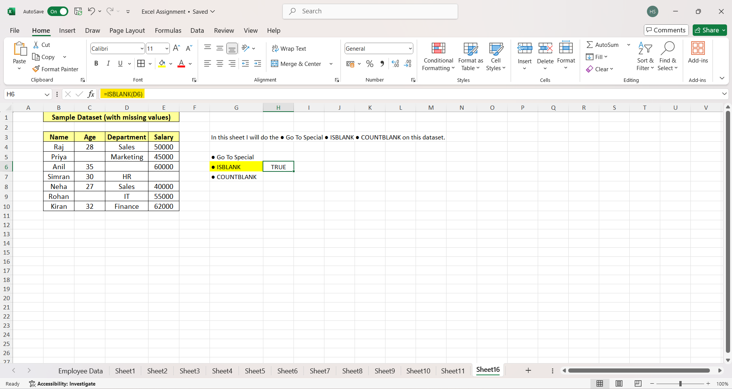

Assignment Code: DA-AG-019
Excel Part 1 | Assignment

Instructions: Carefully read each question. Use Microsoft Word, Google Docs, or a similar tool to type out each question along with your answer.
For practical questions, insert screenshots wherever applicable to demonstrate your solution.
Save the document as a PDF and upload it to the LMS.
Each question carries 20 marks.
Total Marks: 200

Question 1: What is the difference between 'Paste' and 'Paste Special' in Excel? Briefly explain with examples.
Answer:
Answer : Here’s a clear difference between Paste and Paste Special in Excel - 1. Paste (Normal Paste) Definition: Copies everything (values, formulas, formatting, comments, etc.) from the copied cell(s) to the destination. Example: If cell A1 = 5+5 (formula), and you copy and paste it into B1, then B1 will also show 10 but still contain the formula =5+5. Formatting like bold, font color, and borders will also be carried over. 2. Paste Special Definition: Gives more control over what to paste (only values, only formulas, only formatting, etc.). Examples: Paste Special → Values: If A1 = 5+5, pasting as Values into B1 will only paste 10, not the formula. Paste Special → Formats: Copies only the formatting (font, color, border) without the numbers or formulas. Paste Special → Multiply / Add / Subtract / Divide: You can paste values with an operation. For example: If A1 = 10 and you copy 2, then use Paste Special → Multiply on A1, the result will become 20. In short: Paste = everything. Paste Special = only specific elements (values, formulas, formatting, or operations).

Question 2: Describe the functions and usefulness of 'Freeze Panes' and 'Split Panes' in Excel.
Answer:
Answer : Please refer to below explanation: Freeze Panes Function: Keeps specific rows or columns visible while you scroll through the rest of the worksheet. Usefulness: Helpful when working with large datasets where you always want to see headers or key labels. Examples: Freeze Top Row → Keeps the first row (usually column headings) fixed while scrolling down. Freeze First Column → Keeps the first column (e.g., employee IDs) visible while scrolling sideways. Freeze Panes (custom) → Freezes rows above and columns to the left of the active cell. Split Panes Function: Divides the worksheet window into two or four separate sections, each with its own scroll bar. Usefulness: Allows you to view and compare different parts of the same worksheet at the same time. Examples: Splitting a sheet into 2 horizontal sections → you can see the top headers and bottom data simultaneously. Splitting into 4 quadrants → helpful for comparing values in widely separated rows and columns without losing track. In short: Freeze Panes = Keeps headers/labels visible while scrolling. Split Panes = Creates multiple scrollable sections of the same sheet for side-by-side viewing.

Question 3: Explain the difference between inserting a new row and inserting a new column in Excel. Can you insert multiple rows or columns at once?
Answer:
Answer: Here’s the clear explanation: 1. Inserting a New Row What it does: Adds a new horizontal row above the selected row. Effect: Shifts existing rows down. Example: If you select Row 5 and insert a new row, the new row will become Row 5, and the old Row 5 (and below) will move down by one. 2. Inserting a New Column What it does: Adds a new vertical column to the left of the selected column. Effect: Shifts existing columns right. Example: If you select Column C and insert a new column, the new column will become Column C, and the old Column C (and rightward) will shift to the right. 3. Can You Insert Multiple Rows or Columns at Once? Yes, multiple rows or columns can be inserted at once. Rows: Select the number of existing rows equal to how many you want to add, then right-click → Insert. Example: Select 3 rows, right-click, and choose Insert → Excel will add 3 new rows above the first selected row. Columns: Same method—select multiple columns, right-click → Insert, and Excel will insert that many columns to the left of the first selected column. In short: Row insertion = adds space horizontally (shifts rows down). Column insertion = adds space vertically (shifts columns right). You can insert multiple rows/columns at once by selecting them before inserting.

Question 4: What are logical functions in Excel? Provide examples of at least two logical functions and their applications.
Answer:
Answer: Logical functions in Excel are functions that test conditions and return a logical value — either TRUE or FALSE. They are widely used in decision-making, data analysis, and conditional calculations. Examples of Logical Functions: 1. IF Function Syntax: =IF(condition, value_if_true, value_if_false) Use: Checks a condition and returns one value if it’s true, another if it’s false. Example: =IF(A1>=40, "Pass", "Fail") → If the value in cell A1 is 40 or above, it shows Pass, otherwise Fail. 2. AND Function Syntax: =AND(condition1, condition2, …) Use: Returns TRUE only if all conditions are true. Example: =AND(A1>=40, B1>=40) → Returns TRUE only if both A1 and B1 are greater than or equal to 40. 3. OR Function (another common one) Syntax: =OR(condition1, condition2, …) Use: Returns TRUE if any one of the conditions is true. Example: =OR(A1>=60, B1>=60) → Returns TRUE if either A1 or B1 is greater than or equal to 60. In short: Logical functions like IF, AND, OR help test conditions and make decisions in Excel. They are useful for grading, filtering, validations, and conditional analysis.

Question 5: Discuss the purpose of 'XLOOKUP' and how it differs from the traditional 'VLOOKUP' function.
Answer:
Answer: Purpose of XLOOKUP: The XLOOKUP function in Excel is used to search for a value in a range or array and return a corresponding value from another range. It is more flexible and powerful than the older VLOOKUP or HLOOKUP functions. Syntax: =XLOOKUP(lookup_value, lookup_array, return_array, [if_not_found], [match_mode], [search_mode]) How XLOOKUP Differs from VLOOKUP: 1. Search Direction: VLOOKUP only searches vertically (in columns). XLOOKUP can search both vertically and horizontally. 2. Lookup Position: VLOOKUP requires the lookup column to be the first column in the range. XLOOKUP works anywhere — the lookup column does not need to be the first. 3.Exact Match vs Approximate Match: VLOOKUP defaults to approximate match (if you forget to add “FALSE”). XLOOKUP defaults to exact match, reducing errors. 4.Return Multiple Values: XLOOKUP can return multiple columns (spill results). VLOOKUP can only return one column at a time. 5.Error Handling: XLOOKUP has an optional [if_not_found] argument to display custom messages like “Not Found.” VLOOKUP shows #N/A if a value is missing. Example: VLOOKUP: =VLOOKUP(101, A2:C10, 2, FALSE) → Looks for employee ID 101 in column A and returns value from column B. XLOOKUP: =XLOOKUP(101, A2:A10, B2:B10, "Not Found") → Looks for employee ID 101 in column A and returns corresponding value from column B (or shows Not Found if missing). In short: VLOOKUP = older, limited (only vertical, needs first column). XLOOKUP = modern, flexible, works in both directions, defaults to exact match, and supports error handling.

Question 6: Create a worksheet titled 'Employee Data' with columns: Name, Age, Department. Add 5 rows of data.
Format as follows:
● Bold and center-align the header row
● Apply a fill color
● Auto-fit column width
(Include a screenshot showing your formatted table.) Answer:
Answer : I have made a separate worksheet named as "Employee Data". See next tab for the table created. And for the screenshot please refer below :
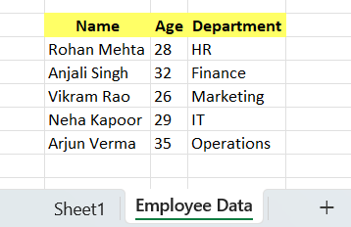

Question 7: Demonstrate how to insert and delete multiple rows and columns in Excel.
(Provide screenshots before and after the changes.) Answer:
Answer: Insert/ Delete Multiple Rows Select the number of rows equal to how many you want to insert/ delete. Right-click on the selection → click Insert or Delete. Or use the Insert/Delete buttons on the Home tab. Excel will insert/ delete the selected number of rows above the first selected row. Insert/ Delete Multiple Columns Select the number of columns equal to how many you want to insert/ delete. Right-click on the selection → click Insert or Delete. Or use the Insert/Delete buttons on the Home tab. Excel will insert/ delete the selected number of columns to the left of the first selected column. See the screenshots below :

Before and After Rows deletion Screenshots

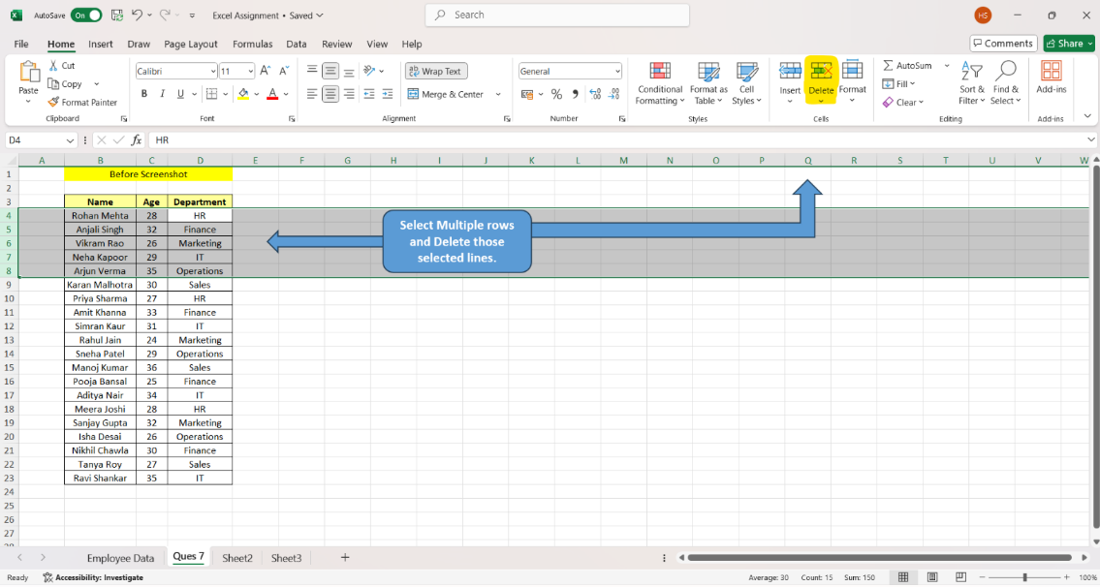
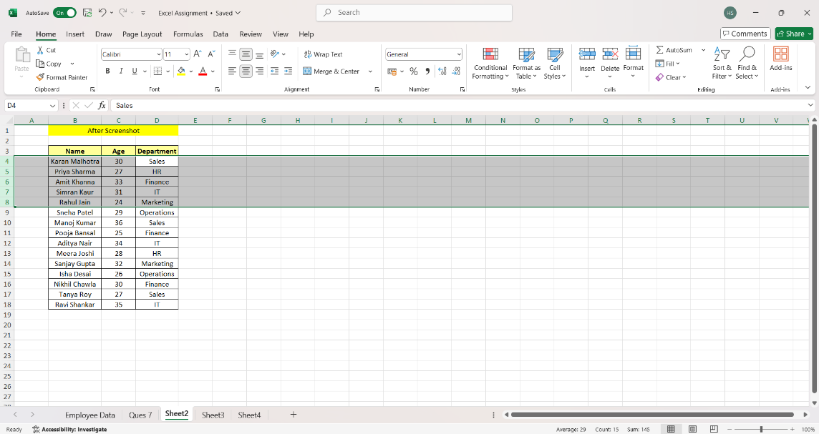

Before and After Columns deletion Screenshots

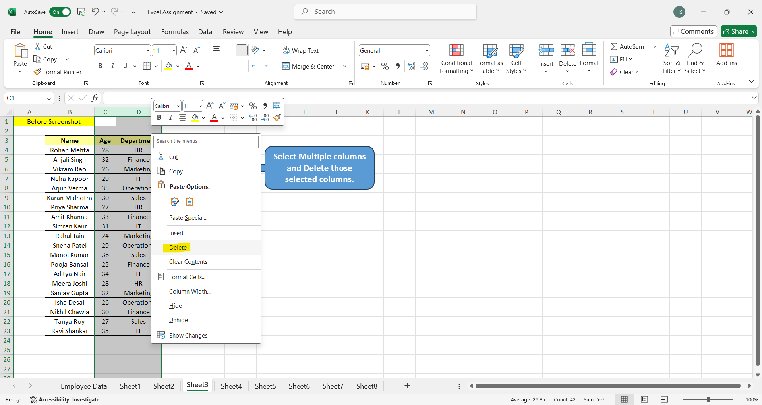
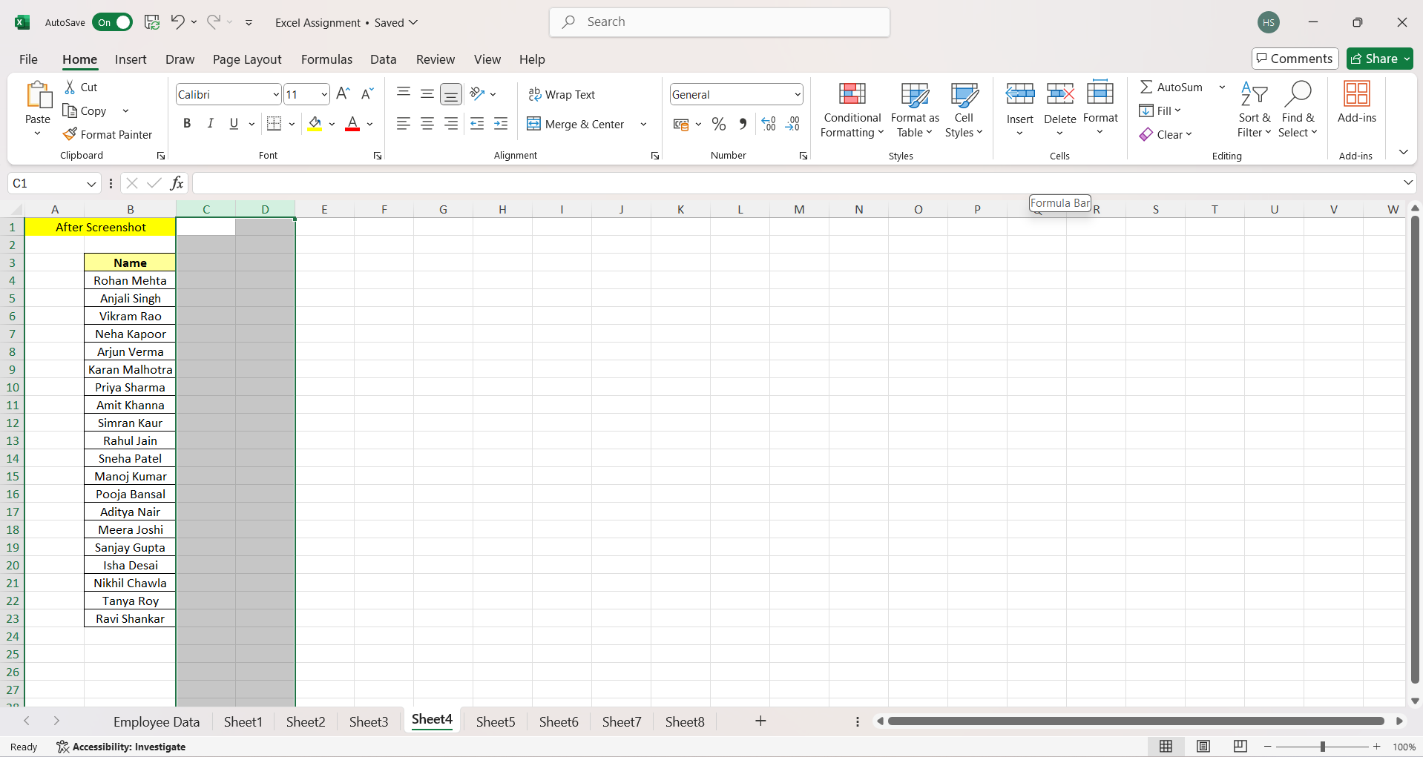

Before and After Rows Insertion Screenshots

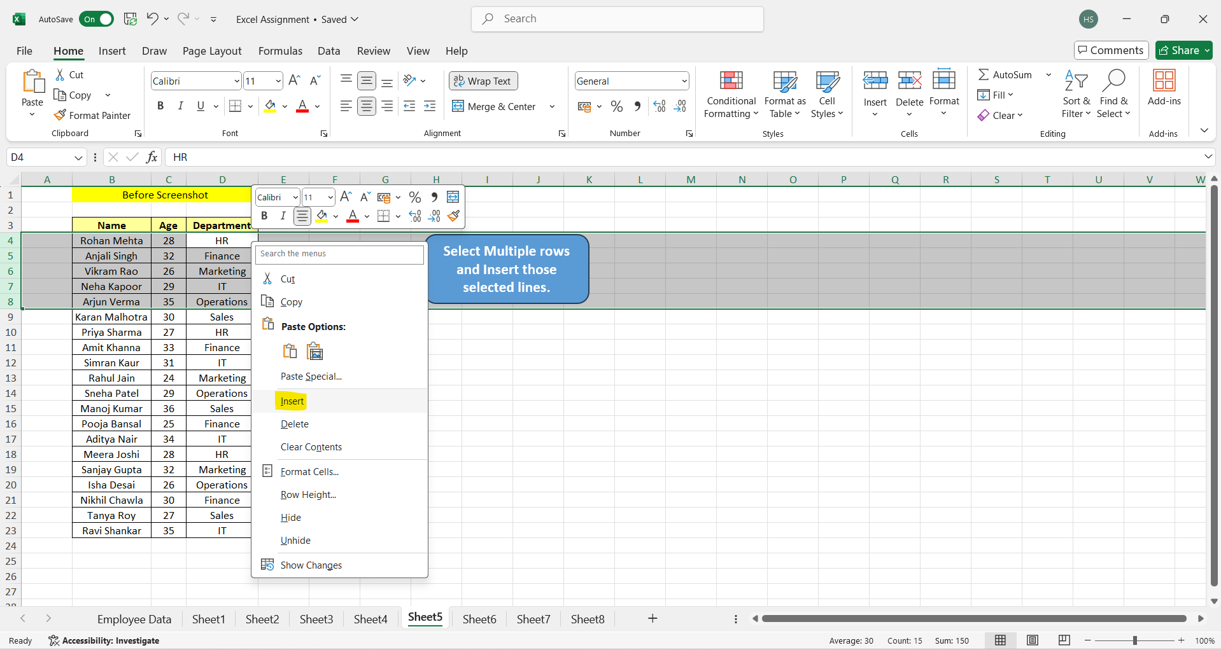
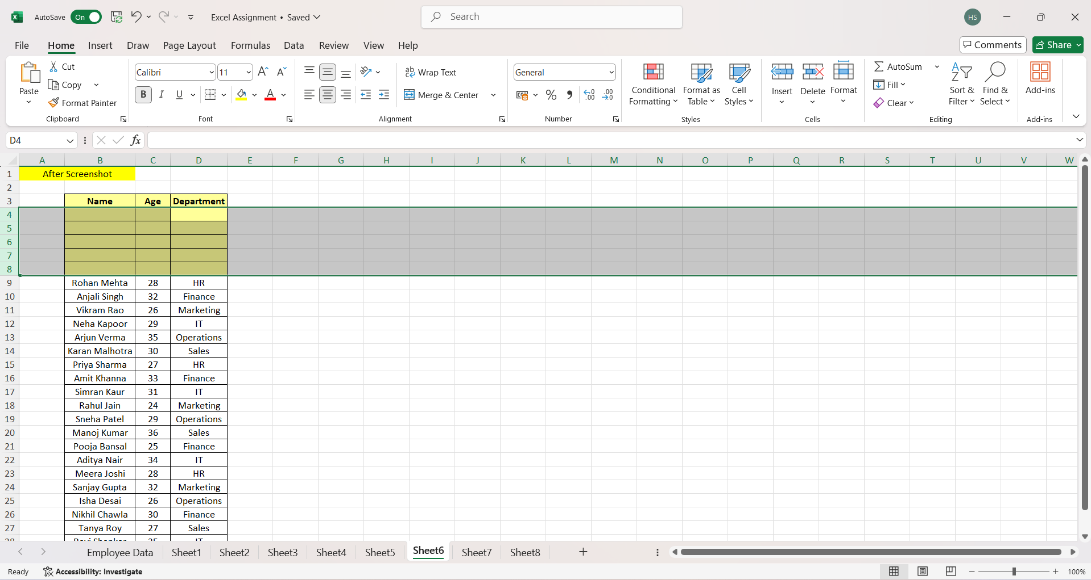

Before and After Columns Insertion Screenshots

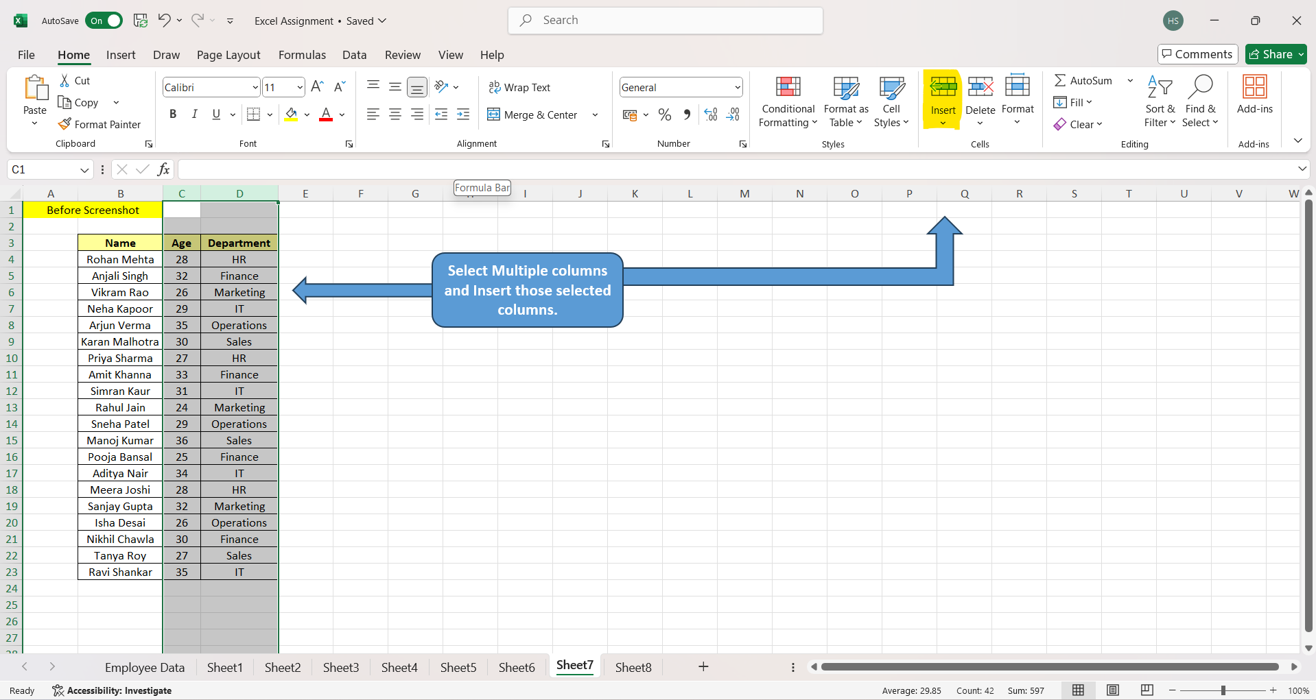
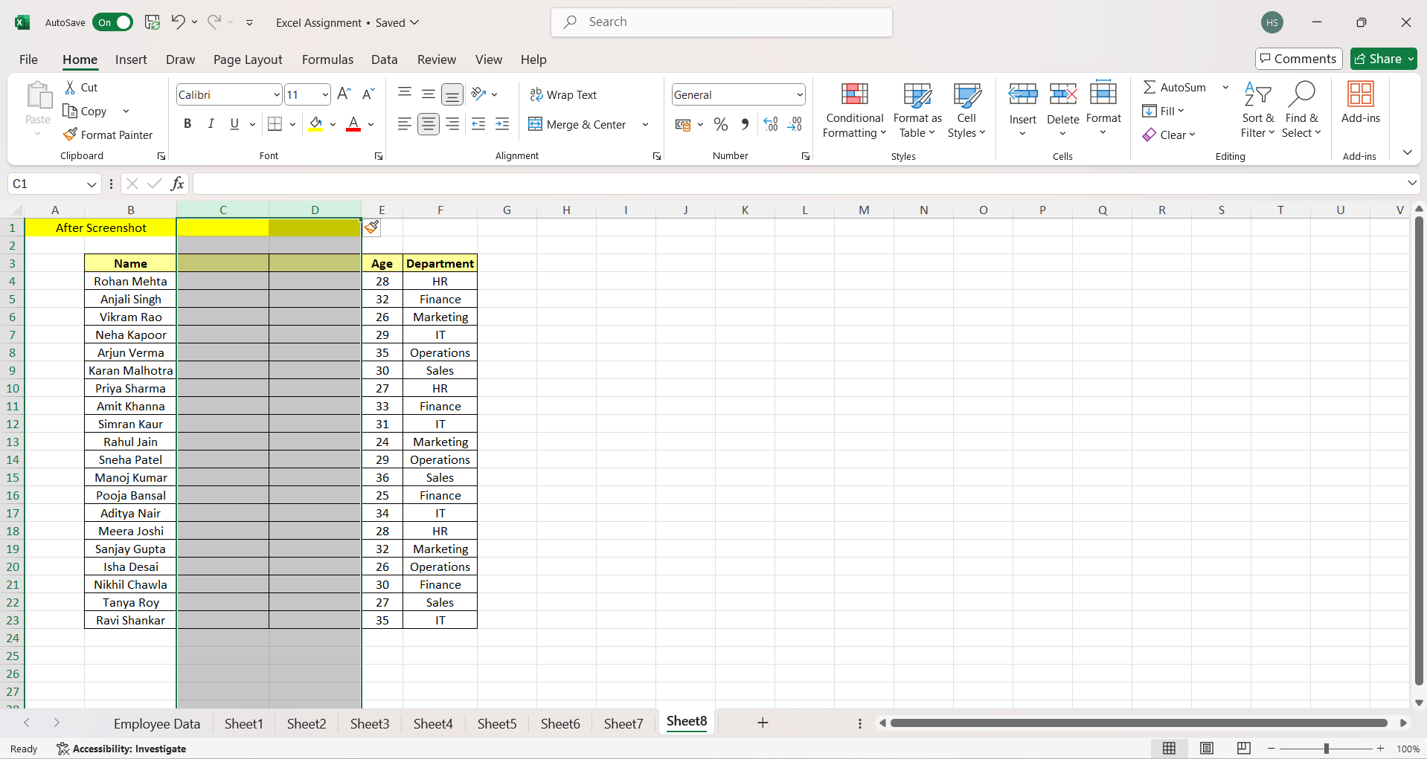

Question 8: Use Excel's 'Find and Replace' feature to update department names in a sample table.
(Include a screenshot showing the replaced data.)
Answer:
See the screenshots below :
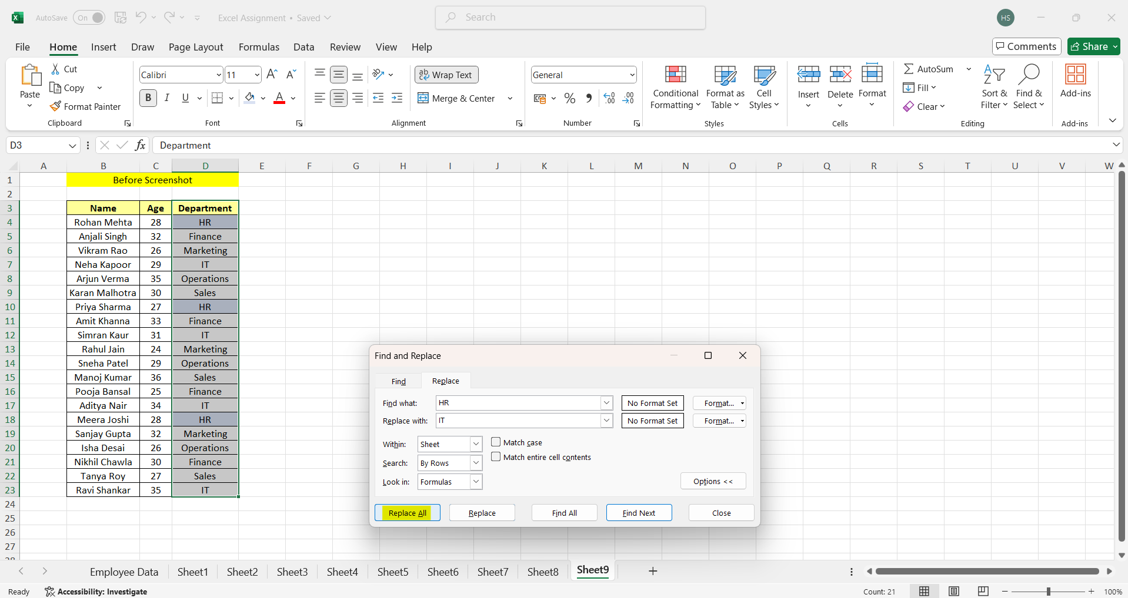
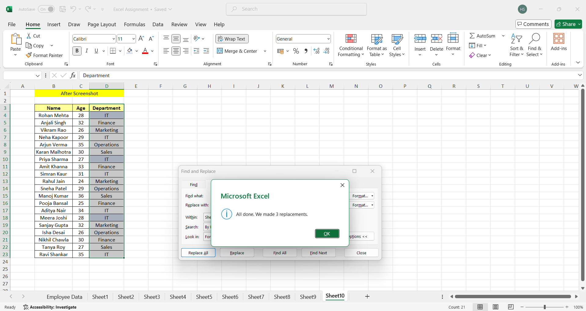

Question 9: Create a small numerical dataset and apply the following functions:
● AVERAGE
● MAX
● MIN
(Include a screenshot showing the formulas and their results.)
Answer:
See the screenshots below :
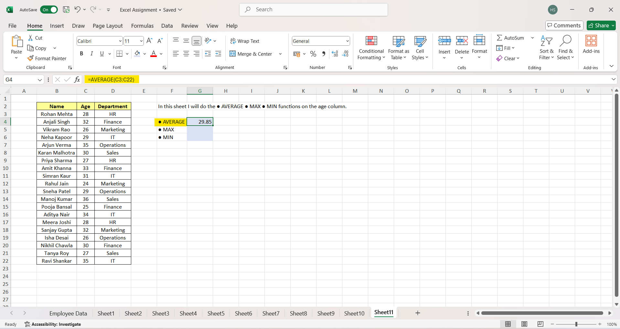
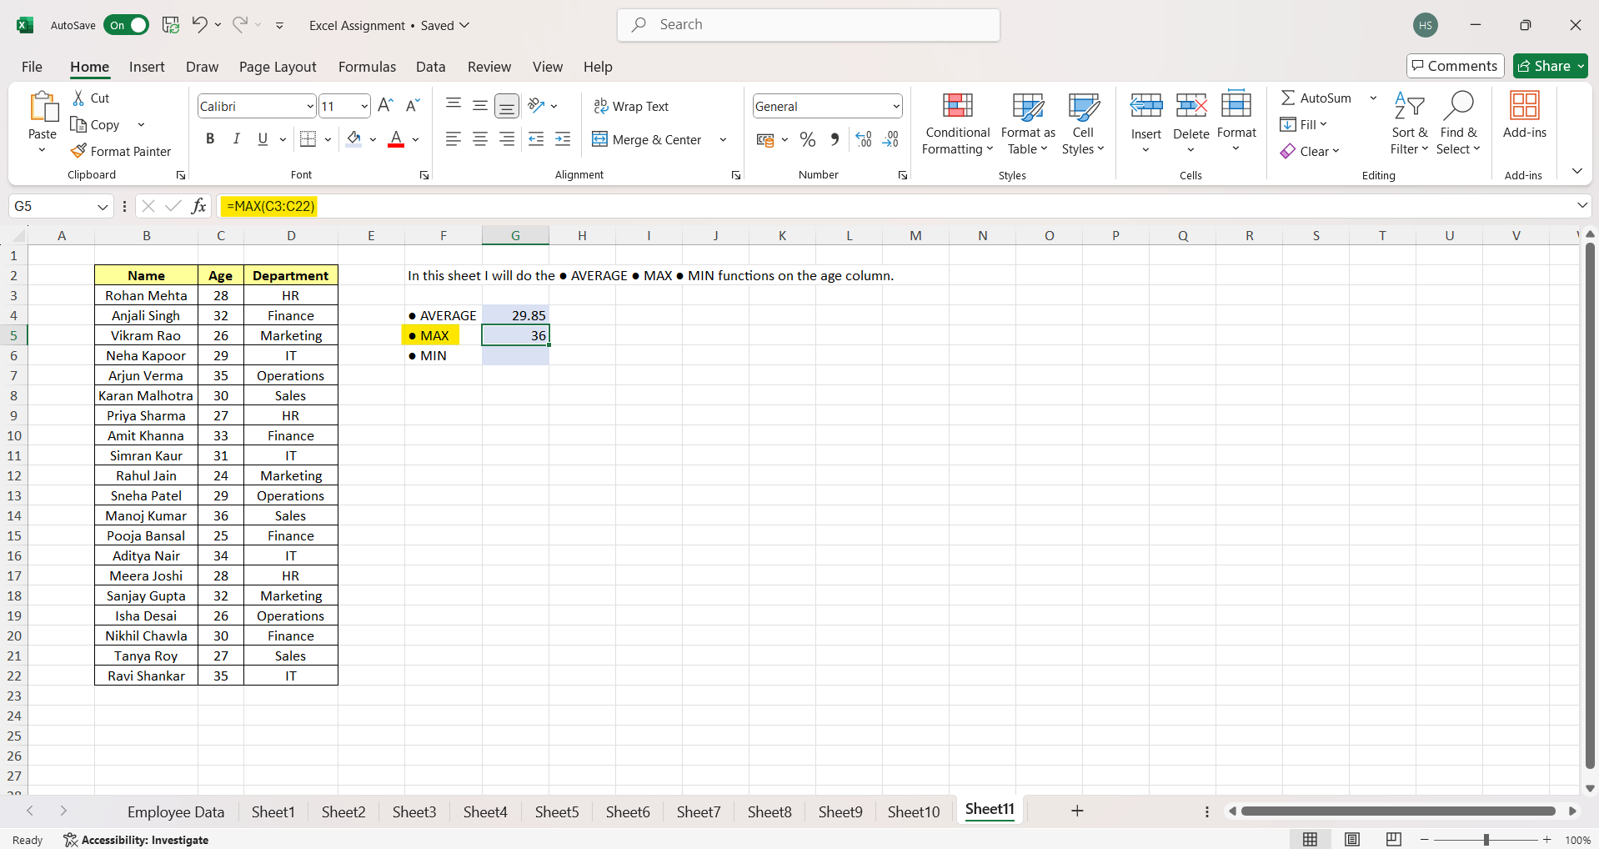

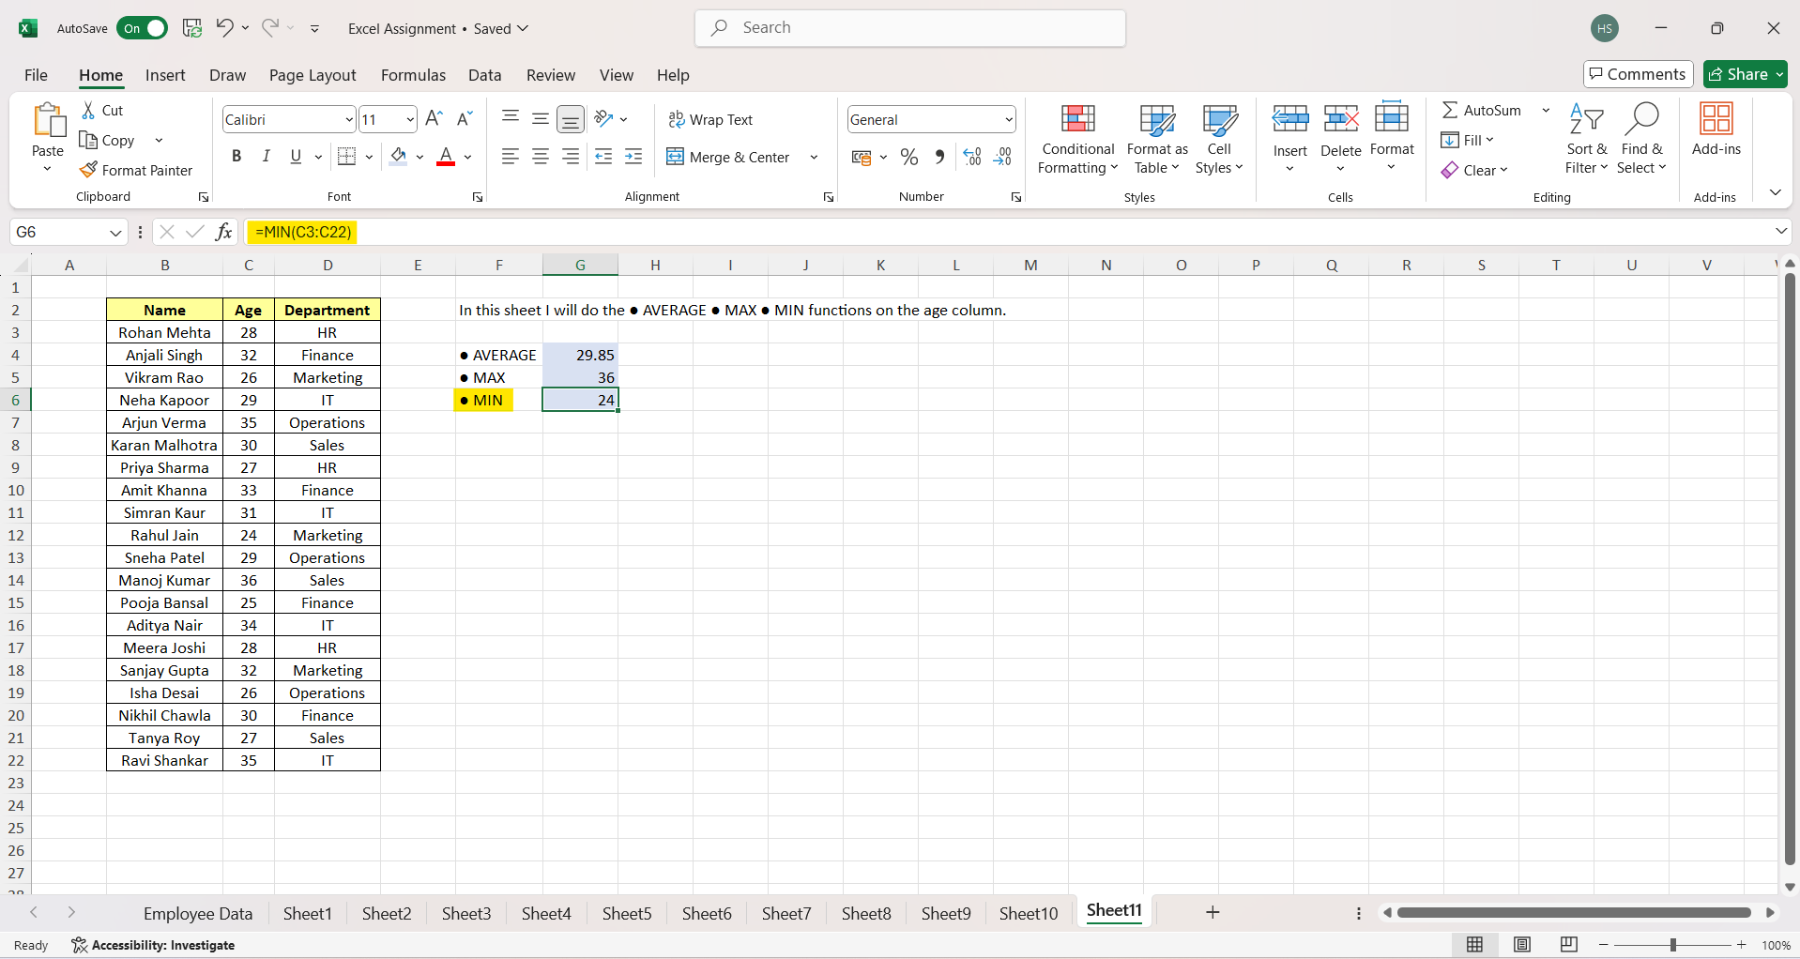

 |  | First SS represents - Average Function

 |  | Second SS represents - MAX Function

 |  | Third SS represents - MIN Function

 |  | Note - The functions are applied on the on the age column of the dataset presented in worksheet's screenshots.

Question 10: You're working with a dataset that contains missing values. As a Data Scientist, explain how you'd detect and handle missing data using Excel.
Mention tools like:
● Go To Special
● ISBLANK
● COUNTBLANK

(Include a screenshot showing how blanks are identified or processed.) Answer:
Answer: Here’s a clear explanation of how to detect and handle missing data in Excel, using the tools mentioned above. 1. Detecting Missing Data Purpose: Quickly select all blank (missing) cells in a dataset. Steps: Select your data range. Go to Home → Find & Select → Go To Special → Blanks → OK. Excel will highlight all empty cells in the selected range. Use Case: Helps in identifying missing values visually or for batch operations like filling them with a default value. b) ISBLANK Function Purpose: Check if a specific cell is blank. Returns TRUE if blank, FALSE otherwise. Formula Example: =ISBLANK(B2) Use Case: Create a new column that flags missing data for analysis. Example: You can filter all rows where ISBLANK is TRUE to review missing entries. c) COUNTBLANK Function Purpose: Count the number of blank cells in a column or range. Formula Example: =COUNTBLANK(B2:B100) Use Case: Gives a quick summary of how many values are missing in a column. Useful for reporting or deciding whether to delete or impute missing values. 2. Handling Missing Data a) Numerical Columns (e.g., Age, Salary) Replace with average/median: =AVERAGE(B2:B100) # Excel ignores blank cells automatically Replace with 0 or another default value, if appropriate. Delete rows: Only if missing data is minimal and imputation is not suitable. b) Categorical Columns (e.g., Department) Replace with the most frequent value (mode). Fill with placeholder like "Unknown" if the category cannot be inferred. c) Using Go To Special for Handling After selecting blank cells via Go To Special, you can: Type a default value and press Ctrl + Enter to fill all selected blanks at once.

Functions screenshots -

a) Go To Special
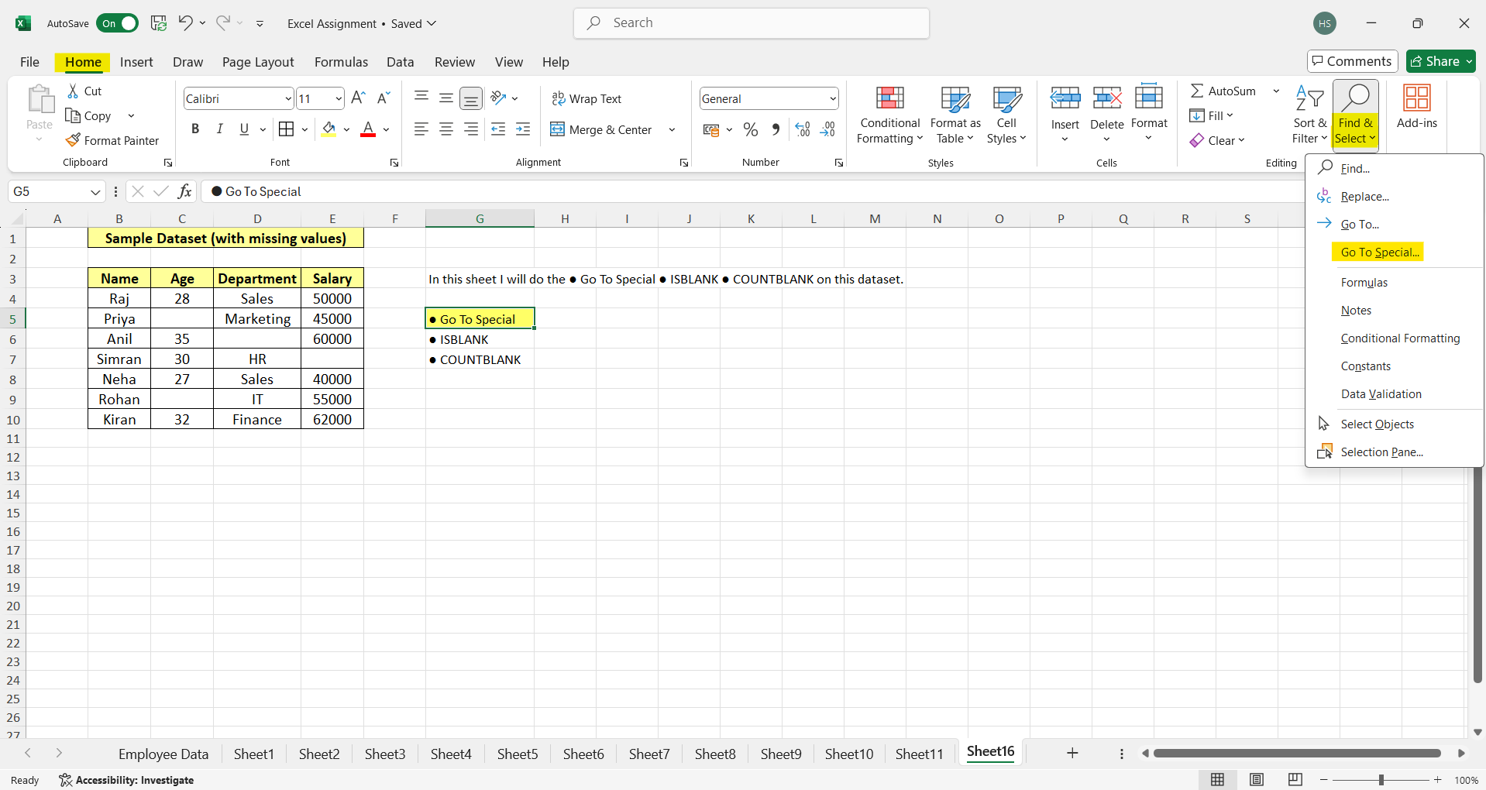
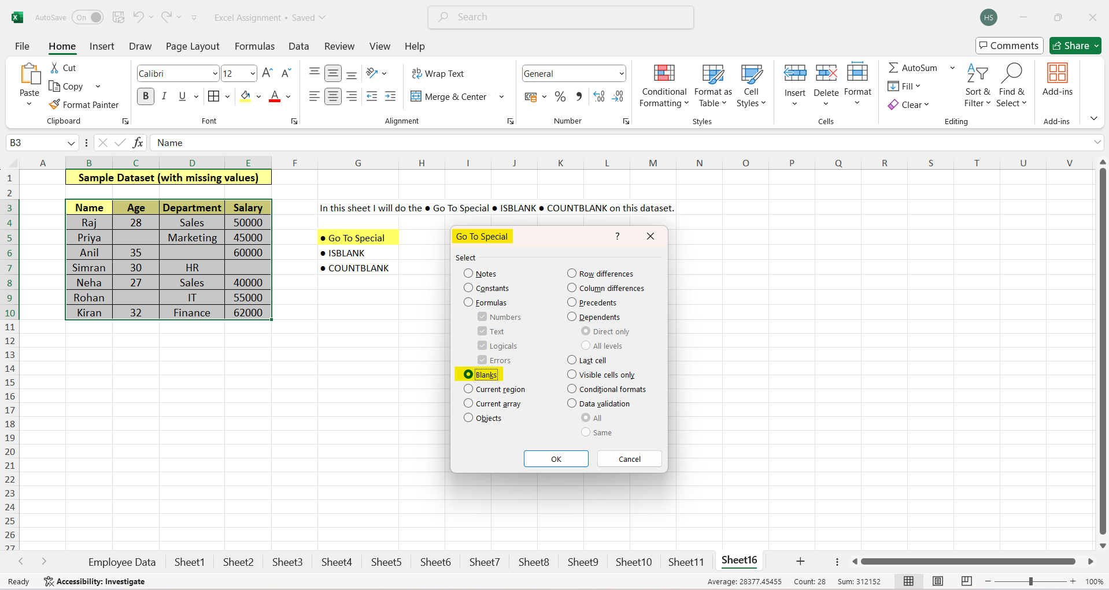

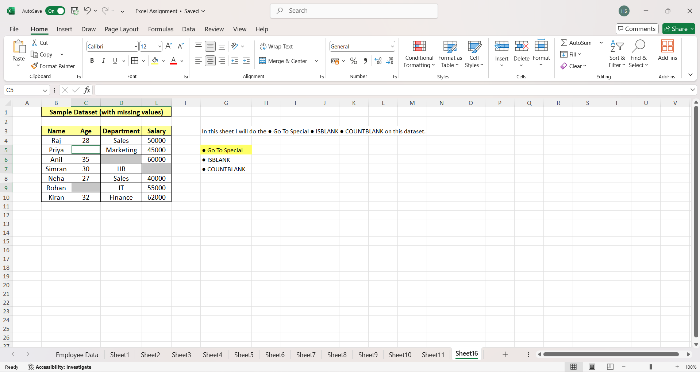

b) ISBLANK Function | c) COUNTBLANK Function

